Sheet1
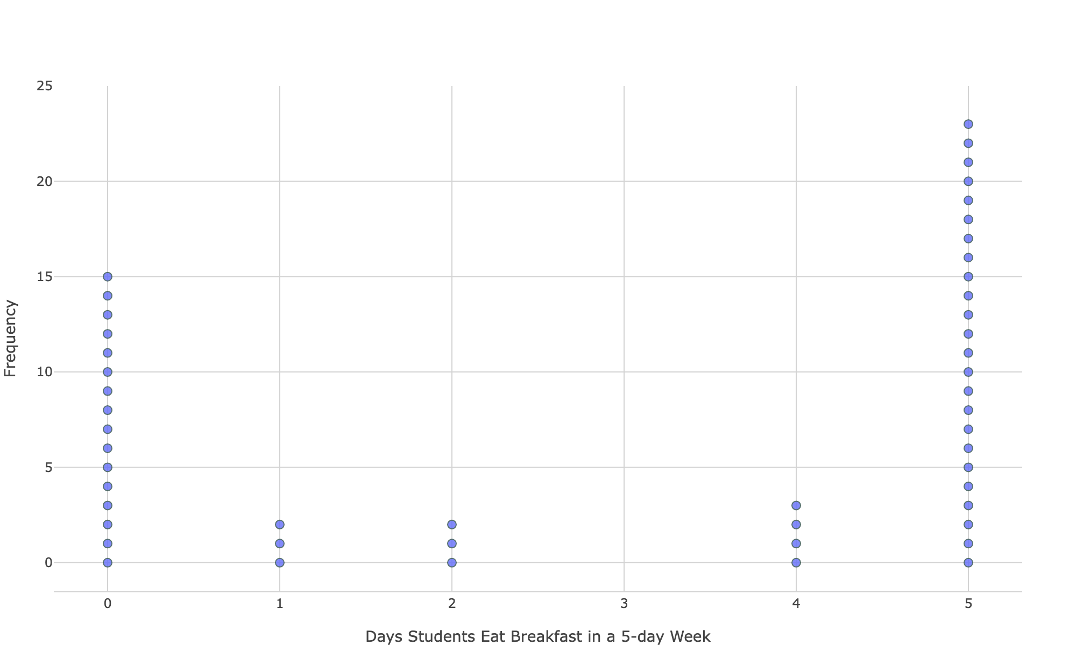
9th | 1 | mean | 2.9
9th | 2 | min | 0
9th | 5 | q1 | 1
9th | 4 | median | 3
9th | 4 | q3 | 5
9th | 2 | max | 5
9th | 0 | n | 10
9th | 5
9th | 5
9th | 1
10th | 2 | mean | 3.5714
10th | 5 | min | 0
10th | 0 | q1 | 2
10th | 5 | median | 5
10th | 5 | q3 | 5
10th | 5 | max | 5
10th | 5 | n | 14
10th | 5
10th | 4
10th | 0
10th | 5
10th | 0
10th | 4
10th | 5
11th | 0 | mean | 2.5
11th | 0 | min | 0 | overall data:
11th | 5 | q1 | 0 | n | 50
11th | 5 | median | 2.5 | mean | 2.9
11th | 0 | q3 | 5 | median | 4
11th | 5 | max | 5 | standard dev. | 2.296847884
11th | 5 | n | 12 | minimum | 0
11th | 0 |  |  | maximum | 5
11th | 5
11th | 5
11th | 0
11th | 0
12th | 0 | mean | 2.571
12th | 5 | min | 0
12th | 5 | q1 | 0
12th | 0 | median | 3
12th | 5 | q3 | 5
12th | 0 | max | 5
12th | 5 | n | 14
12th | 5
12th | 1
12th | 5
12th | 0
12th | 0
12th | 0
12th | 5

